Server Side Metrices Load Test
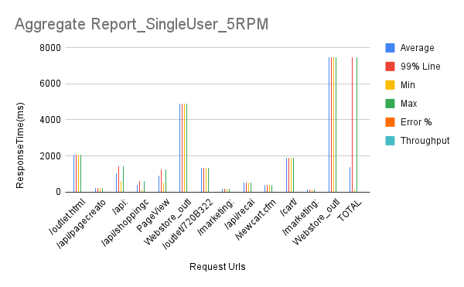
Aggregate Report_SingleUser_5RPM
Label | # Samples | Average | 99% Line | Min | Max | Error % | Throughput
/outlet.html | 1 | 2050 | 2050 | 2050 | 2050 | 0.00% | 48.78%
/api/pagecreatorbanner | 2 | 220 | 239 | 201 | 239 | 0.00% | 2.75%
/api:edgecache/getdynamicdata/ | 2 | 1017 | 1432 | 602 | 1432 | 0.00% | 2.72%
/api/shoppingcart/items | 2 | 374 | 597 | 152 | 597 | 0.00% | 2.80%
PageView | 3 | 891 | 1247 | 510 | 1247 | 0.00% | 4.12%
Webstore_outlet_products:HOME PAGE | 1 | 4914 | 4914 | 4914 | 4914 | 0.00% | 1.70%
/outlet/720B322S/58603.html | 1 | 1324 | 1324 | 1324 | 1324 | 0.00% | 75.53%
/marketing:analytics/getproductdataforanalytics/outlet-58937 | 1 | 165 | 165 | 165 | 165 | 0.00% | 606.06%
/api/recai | 1 | 534 | 534 | 534 | 534 | 0.00% | 187.27%
/viewcart.cfm | 1 | 377 | 377 | 377 | 377 | 0.00% | 265.25%
/cart/ | 1 | 1898 | 1898 | 1898 | 1898 | 0.00% | 52.69%
/marketing:analytics/getproductdataforanalytics/ | 1 | 135 | 135 | 135 | 135 | 0.00% | 740.74%
Webstore_outlet_products:Product Page | 1 | 7465 | 7465 | 7465 | 7465 | 0.00% | 0.44%
TOTAL | 18 | 1375 | 7465 | 135 | 7465 | 0.00% | 6.26%

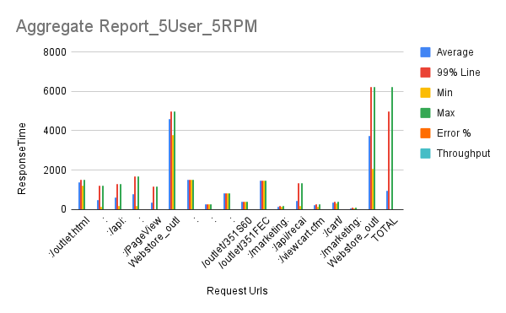
Label | # Samples | Average | 99% Line | Min | Max | Error % | Throughput |  | Received KB/sec
Webstore_outlet_products:/outlet.html | 5 | 1393 | 1488 | 1220 | 1488 | 0.00% | 2.18818 |  | 335.2
Webstore_outlet_products:/api/pagecreatorbanner | 10 | 496 | 1190 | 145 | 1190 | 0.00% | 0.02461 |  | 0.01
Webstore_outlet_products:/api:edgecache/getdynamicdata/ | 10 | 610 | 1297 | 190 | 1297 | 0.00% | 0.02447 |  | 0.07
Webstore_outlet_products:/api/shoppingcart/items | 10 | 763 | 1664 | 194 | 1664 | 0.00% | 0.02449 |  | 0.04
Webstore_outlet_products:/PageView | 15 | 353 | 1154 | 0 | 1154 | 0.00% | 0.03669 |  | 0.02
Webstore_outlet_products:HOME PAGE | 5 | 4587 | 4975 | 3797 | 4975 | 0.00% | 0.0144 |  | 2.29
Webstore_outlet_products:/outlet/720B322S/58603.html | 1 | 1516 | 1516 | 1516 | 1516 | 0.00% | 0.65963 |  | 29.37
Webstore_outlet_products:/outlet/554BPF40/59189.html | 1 | 256 | 256 | 256 | 256 | 0.00% | 3.90625 |  | 154.03
Webstore_outlet_products:/outlet/554BPF80/59191.html | 1 | 801 | 801 | 801 | 801 | 0.00% | 1.24844 |  | 49.1
Webstore_outlet_products:/outlet/351S60G24N/58937.html | 1 | 391 | 391 | 391 | 391 | 0.00% | 2.55754 |  | 138.46
Webstore_outlet_products:/outlet/351FEC100C/58877.html | 1 | 1461 | 1461 | 1461 | 1461 | 0.00% | 0.68446 |  | 104.81
Webstore_outlet_products:/marketing:analytics/getproductdataforanalytics/outlet-58937 | 5 | 152 | 191 | 126 | 191 | 0.00% | 0.10428 |  | 0.08
Webstore_outlet_products:/api/recai | 5 | 451 | 1316 | 196 | 1316 | 0.00% | 0.10358 |  | 0.38
Webstore_outlet_products:/viewcart.cfm | 5 | 204 | 246 | 140 | 246 | 0.00% | 0.10149 |  | 0.15
Webstore_outlet_products:/cart/ | 4 | 344 | 379 | 293 | 379 | 0.00% | 0.1104 |  | 0.32
Webstore_outlet_products:/marketing:analytics/getproductdataforanalytics/ | 2 | 63 | 72 | 55 | 72 | 0.00% | 0.16632 |  | 0.1
Webstore_outlet_products:Product Page | 4 | 3735 | 6231 | 2087 | 6231 | 0.00% | 0.00672 |  | 0.4
TOTAL | 85 | 927 | 4975 | 0 | 6231 | 0.00% | 0.09507 |  | 2.49

Label | # Samples | Average | 99% Line | Min | Max | Error % | Throughput |  |  | Notes
Webstore_outlet_products:/outlet.html | 5 | 1231 | 1748 | 797 | 1748 | 0 | 1.0429703796
Webstore_outlet_products:/api/pagecreatorbanner | 10 | 316 | 524 | 116 | 524 | 0 | 0.022581213334
Webstore_outlet_products:/api:edgecache/getdynamicdata/ | 10 | 11207 | 31606 | 266 | 31606 | 0.2 | 0.023696289398 | 140.65025944 | 0.7435238058
Webstore_outlet_products:/api/shoppingcart/items | 10 | 4571 | 18697 | 184 | 18697 | 0 | 0.024126965745 | 0.012194737279 | 0.023011226674
Webstore_outlet_products:/PageView | 15 | 605 | 1572 | 132 | 1572 | 0 | 0.036241425883 | 4.0737300048 | 0.025559132461
Webstore_outlet_products:HOME PAGE | 5 | 3774 | 4997 | 3054 | 4997 | 0 | 0.014398101754 | 0.036143325637 | 0.032128447743
Webstore_outlet_products:/outlet/720B322S/58603.html | 1 | 830 | 830 | 830 | 830 | 0 | 1.2048192771 | 0.013319195905 | 0.030507919054
Webstore_outlet_products:/outlet/554BPF40/59189.html | 1 | 918 | 918 | 918 | 918 | 0 | 1.0893246187 | 2.0224046162 | 0.076743007202
Webstore_outlet_products:/outlet/554BPF80/59191.html | 1 | 1137 | 1137 | 1137 | 1137 | 0 | 0.87950747581 | 53.647402108 | 1.811935241
Webstore_outlet_products:/outlet/351S60G24N/58937.html | 1 | 1311 | 1311 | 1311 | 1311 | 0 | 0.76277650648 | 42.949601716 | 1.6382421024
Webstore_outlet_products:/outlet/351FEC100C/58877.html | 1 | 1462 | 1462 | 1462 | 1462 | 0 | 0.68399452804 | 34.616005662 | 1.3226967898
Webstore_outlet_products:/marketing:analytics/getproductdataforanalytics/outlet-58937 | 4 | 653 | 839 | 425 | 839 | 0 | 0.054695618881 | 41.335931541 | 1.1486341533
Webstore_outlet_products:/marketing:analytics/getproductdataforanalytics/ | 3 | 548 | 1115 | 90 | 1115 | 0 | 0.013495398069 | 92.418080968 | 2.0486437671
Webstore_outlet_products:/api/recai | 5 | 875 | 2056 | 299 | 2056 | 0 | 0.068668113275 | 0.041609264754 | 0.07587414709
Webstore_outlet_products:/viewcart.cfm | 5 | 682 | 1208 | 317 | 1208 | 0 | 0.067154657175 | 0.0086674545542 | 0.01944795809
Webstore_outlet_products:/cart/ | 4 | 829 | 1175 | 433 | 1175 | 0 | 0.081145778391 | 0.25220778714 | 0.13100588486
Webstore_outlet_products:Product Page | 4 | 34999 | 57293 | 17330 | 57293 | 0.5 | 0.0067105424299 | 0.10027292072 | 0.1727658485
TOTAL | 85 | 4189 | 41449 | 90 | 57293 | 0.047058823529 | 0.094996585711 | 0.23196677714 | 0.21049167368
 |  |  |  |  |  |  |  | 3.3659694186 | 0.10636111452
 |  |  |  |  |  |  |  | 6.1276836012 | 0.21480098844
Label | Label | Label | 99% Line | Min | Max | Error % | Throughput
Webstore_outlet_products:/outlet.html | 5 | 1199 | 2004 | 828 | 2004 | 0.00% | 1.03563
Webstore_outlet_products:/api/pagecreatorbanner | 10 | 419 | 1357 | 161 | 1357 | 0.00% | 0.02322
Webstore_outlet_products:/api:edgecache/getdynamicdata/ | 10 | 7602 | 32551 | 298 | 32551 | 10.00% | 0.02445
Webstore_outlet_products:/api/shoppingcart/items | 10 | 834 | 3467 | 229 | 3467 | 0.00% | 0.02374
Webstore_outlet_products:/PageView | 15 | 517 | 1343 | 123 | 1343 | 0.00% | 0.02112
Webstore_outlet_products:HOME PAGE | 5 | 3671 | 4267 | 2207 | 4267 | 0.00% | 0.01442
Webstore_outlet_products:/outlet/720B322S/58603.html | 1 | 803 | 803 | 803 | 803 | 0.00% | 1.24533
Webstore_outlet_products:/outlet/554BPF40/59189.html | 1 | 1396 | 1396 | 1396 | 1396 | 0.00% | 0.71633
Webstore_outlet_products:/outlet/554BPF80/59191.html | 1 | 1375 | 1375 | 1375 | 1375 | 0.00% | 0.72727
Webstore_outlet_products:/outlet/351S60G24N/58937.html | 1 | 1393 | 1393 | 1393 | 1393 | 0.00% | 0.71788
Webstore_outlet_products:/outlet/351FEC100C/58877.html | 1 | 1685 | 1685 | 1685 | 1685 | 0.00% | 0.59347
Webstore_outlet_products:/marketing:analytics/getproductdataforanalytics/outlet-58937 | 1 | 21 | 21 | 21 | 21 | 100.00% | 47.61905
TOTAL | 61 | 2087 | 24586 | 21 | 32551 | 3.28% | 0.06416

